Studies by Task
Title | Study | N of controls/N of TBI | Task and description | Findings
 | Hocke et al., 2018 | 14/26 | N back, 15 minutes, number of trials Rest 180 seconds | In the "data driven method": 50% of the PPCS patients were below -2SD of the control group mean coherence in patients with PPCS compared with control participants in the frontal and left regions In the "minimum channel method": saw significant differences between patients and controls only in the frontal region. Table 2 of the results cited a lot (the data driven method), and concluded that n back was the best protocol because 50% of patients' coherence values were below 2SD of control mean (in rest 33% displayed decreased coherence in the frontal and motor regions |  | Note: can be mTBI/concussion or healthy
 | Stilling Joan M., Duszynski Chris C. et al (2019) | 0/2 (a case study of two mTBI patients with persistent symtoms | descibed a "graded working memory task", and references the paper above:"N back, 15 minutes, number of trials Rest 300 seconds" | During the working memory task (n-back) the first participant demonstated an expected task evoked hemodynamic response at both baseline and post rTMS. The second participant had an abnormal hemodynamic response in fNIRS whereby oxygenated hemoglobin in the left dlPFC was reduced at baseline, but then normalized at 45 days.
 | Urban et al. (Functional Near-Infrared Spectroscopy Reveals Reduced Interhemispheric Cortical Communication after Pediatric Concussion (2015) | 8 controls/12 mTBI patients | 300 seconds of rest, 300 seconds of a finger tapping paradigm Total Measurement Time: ?? | 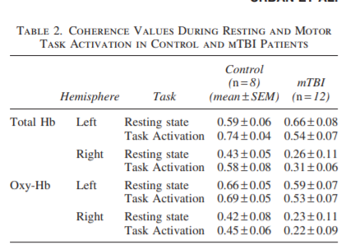 Coherence was significantly different between hemispheres for mTBI patients only. Total coherence in the left hemisphere between the resting state and task performance was significantly increased in controls, but decreased in mTBI patients
 | Chris' Thesis Data
 | León-Domínguez et al. (2015). Executive n-back tasks for the neuropsychological assessment of working memory | 20 healthy controls | Visual n back with verbal stimuli used. Used modified one back and two back conditions | oxyHblevels changed significantly as memory load increased. Graded response based on the n back test | Healthy control study justifying changes in brain oxygenation as a result of changes in stress to the working memory.
 | Wu et al. (2015). Altered cortical activation and connectivity patterns for visual attention processing in young adults post‐traumatic brain injury: A functional near infrared spectroscopy study. | 37 controls/33 patients | Task: Visual serial addition task was used. 5x30-second task blocks followed by rest. Total task duration: 5 minutes. The task was performed twice | All of the participants scored above 80% in the VSAT, and no significant differences were detected between groups in the fNIRS task performance measures.
 | Brain activation during neurocognitive testing using functional near-infrared spectroscopy in patients following concussion compared to healthy controls. Kontos et al. (2014) | 14 patients with sports related concussion/5 age-matched controls | Used the ImPACT concussion neurocognitive tests which included: 1) demographics, 2) selfreported concussion symptoms, and 3) neurocognitive modules. The participant rested for 30 seconds in between modules to allow to block the sections in analysis | Activation in the right frontal cortex was significantly decreased in a working memory task in concussed patients. No significant difference in delayed recall task. Compared to controls, the concussed group performed pooer on the tasks. In a three-letters working memory task and X and O task, the groups did not display a signficant difference from each other in performance or activation

 |  | https://pediatrics.aappublications.org/content/144/2_MeetingAbstract/197

